Sheet1
Product | Size | Bar Code | Product Code | RRP | Quantity | Line RRP | PAO Date
GBH Max Texture (Sea Salt Spray) | 200ml | 5060305160989 | GBH-Mtxture-200 | £11.95 | 1000 | £11,950.00 | Jan-23
GBH Max Boost (Rootboost Spray) | 200ml | 5060305160972 | GBH-Mboost-200 | £11.95 | 1800 | £21,510.00 | Feb-23
GBH Hydrator (Super moisturising face & body cream) | 200ml | 5060305160958 | GBH-Hdrator-200 | £11.95 | 2000 | £23,900.00 | Mar-23
GBH Hard Man (Hard hold gel) | 200ml | 5060305160996 | GBH-Hman-200 | £11.95 | 2000 | £23,900.00 | Apr-23
GBH Enery Boost Shampoo (Caffeine Shampoo) | 250ml | 5060305160965 | GBH-EBSpoo-250 | £11.95 | 1800 | £21,510.00 | May-23
GBH Cleanse & Fresh (3 in 1 face, Hair & Body Wash) | 250ml | 5060305161941 | GBH-Cfresh-250 | £11.95 | 2000 | £23,900.00 | Jun-23
GBH Clay Man (Moulding Clay) | 100ml | 5060305161016 | GBH-Cman-100 | £11.95 | 400 | £4,780.00 | Jul-23
GBH Slick Man (Clear Pomade) | 100ml | 5060305161030 | GBH-Sman-100 | £11.95 | 1400 | £16,730.00 | 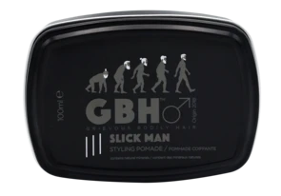 Aug-23
GBH Energy Boost Shampoo (Caffeine Shampoo) | 1000ml | 5060305161481 | GBH-EBSPoo-1000 | £24.95 | 500 | £12,475.00 | Sep-23
 |  |  |  |  | 12900 | £160,655.00

